part b)
Step 1: Calculate Design power
 |  |  |  |  |  | System operation | a. 5 hours a day
Design power = input power (hp) * service factor |  |  |  |  |  |  | b. 5 days a week
 |  |  |  |  |  |  | c. Working life of 10 years
From table 7-1 Mott:
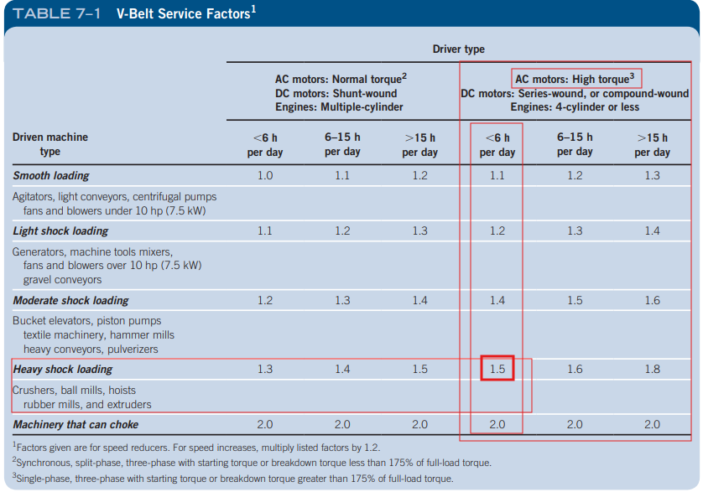
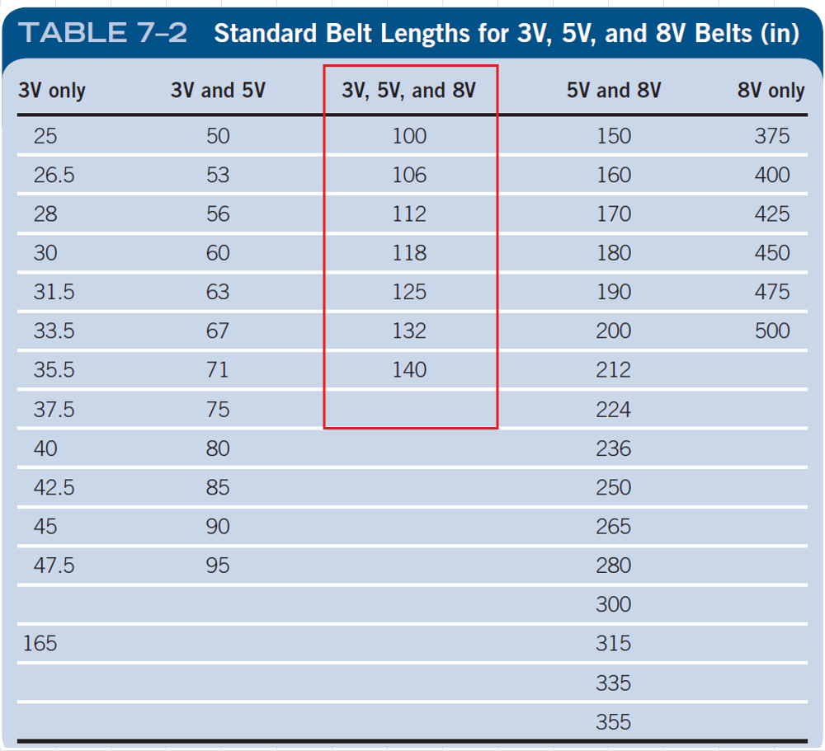
Given (<6 h a day)

1.5 | Service factor
37 | kW
convert to hp (multiply by 1.34102):
49.618 | hp

74.4 | Design Power (hp)

Step 2: Select belt
Belt: 5V (from fig 7-13)

Step 3: Calculate the nominal speed ratio
1475 | Motor speed (RPM)
737.5 | speed at gearbox (RPM) |  |  | <--- nominal, subject to change
 |  |  |  | no particular reason why this no. chosen
2

Step 4: Compute driving sheave nominal size (for nominal belt speed 4000ft/min
4000 | belt speed ft/min
1475 | motor speed rpm

10.358559008 | d_driving (in)

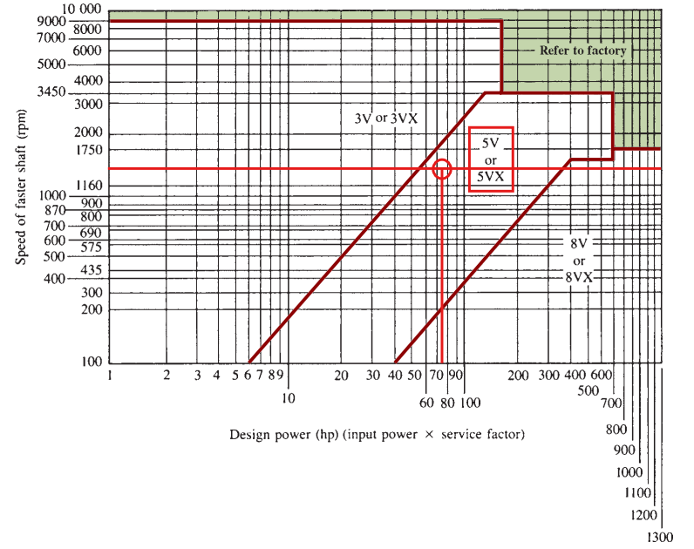
Step 5: Select standard size input and output sheaves & calc actual output speed
 |  |  | ^mott figs 7-14 to 7-16
closest to 10.2in

28.2 | rated power (from fig 7-15)

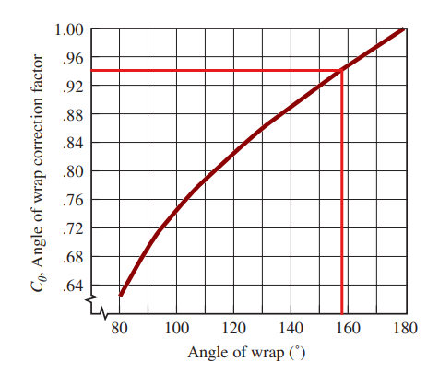
Standard sheave sizes, D_1): | approx. driven sheave size (2*D_1) | Nearest standard sheave size (D_2) | Actual speed output | Difference from 737.5rpm
9.65 | 19.3 | 21.1 | 674.58530806 | -8.53%
10.2 | 20.4 | 21.1 | 713.03317536 | -3.32%
10.8 | 21.6 | 21.1 | 754.97630332 | 2.37%
11.7 | 23.4 | 21.1 | 817.89099526 | 10.90%
12.4 | 24.8 | 27.7 | 660.28880866 | -10.47%

Calculate actual belt speed
10.8 | d_driving
1475 | omega_driving
4170.4642476 | v_belt (ft/min)

Step 6: Determine the rated power from the ratings charts
Adding 1.6hp to rated power based on fig 7-17
1.5 | added power |  | (rounded down for safety)
26 | rated power per belt (fig 7-15)
27.5 | new rated power per belt (hp)

74.4 | Design power (hp)

Calc how many belts are needed
2.7064221818
Round this number up
Therefore atleast 3 belts are needed.
3 | number of belts required
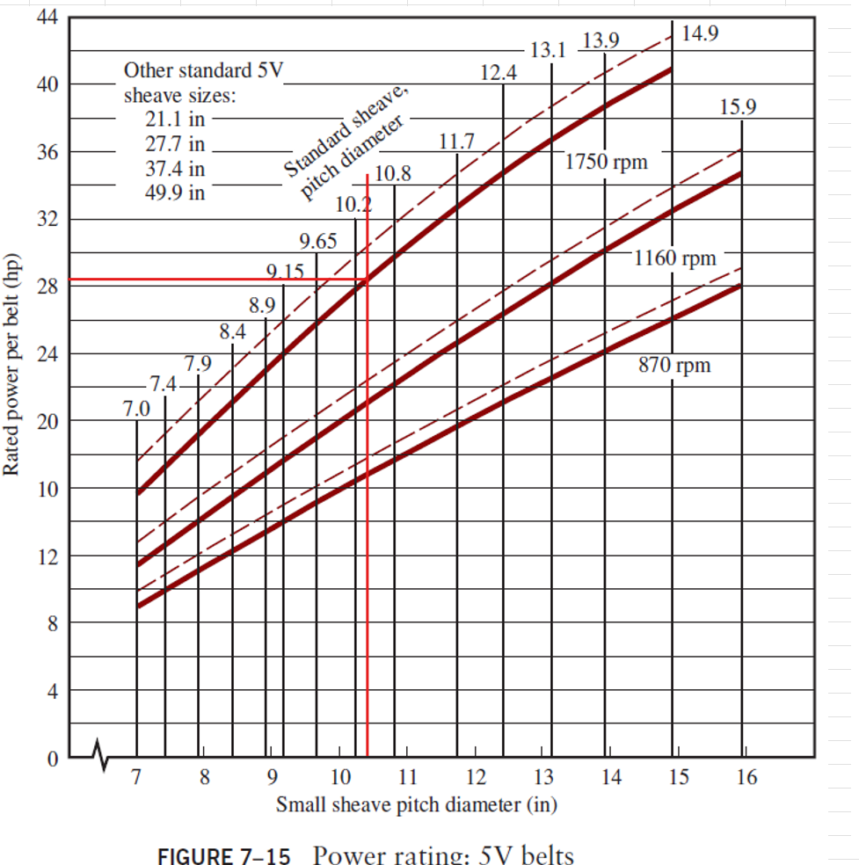
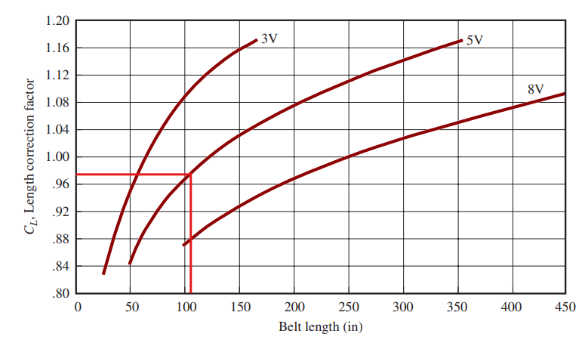
Step 7: specify a trial centre distance, CD.
Use mott eq. 7-17 to determine nominal acceptable range.
equ 7-17 = D_2 < CD < 3*(D_2 + D_1)
21.1 | D_2
10.8 | D_1
95.7 | =(3* D_2 +D_1)
10.8 < CD < 95.7

84.9
28.3 | Trial CD (in) | (i.e. something towards smaller end)

Step 8: Determine required belt length
Use Mott Equ. 7-12

56.6 | =2CD
50.083 | =1.57*(D_2 + D_1)
106.09 | =(D_2 - D_1)^2
113.2 | =4CD |  | --> divide these |  | 0.93719081272

107.62019081 | =L (in)

Step 9: Select standard belt length (table 7-2)
Between:
106 | in
112 | in | --> both of these are standard belt sizes

Closer to 106, therefore we will chose 106in

Step 10: Calculate actual sentre distance (equ. 7-13)

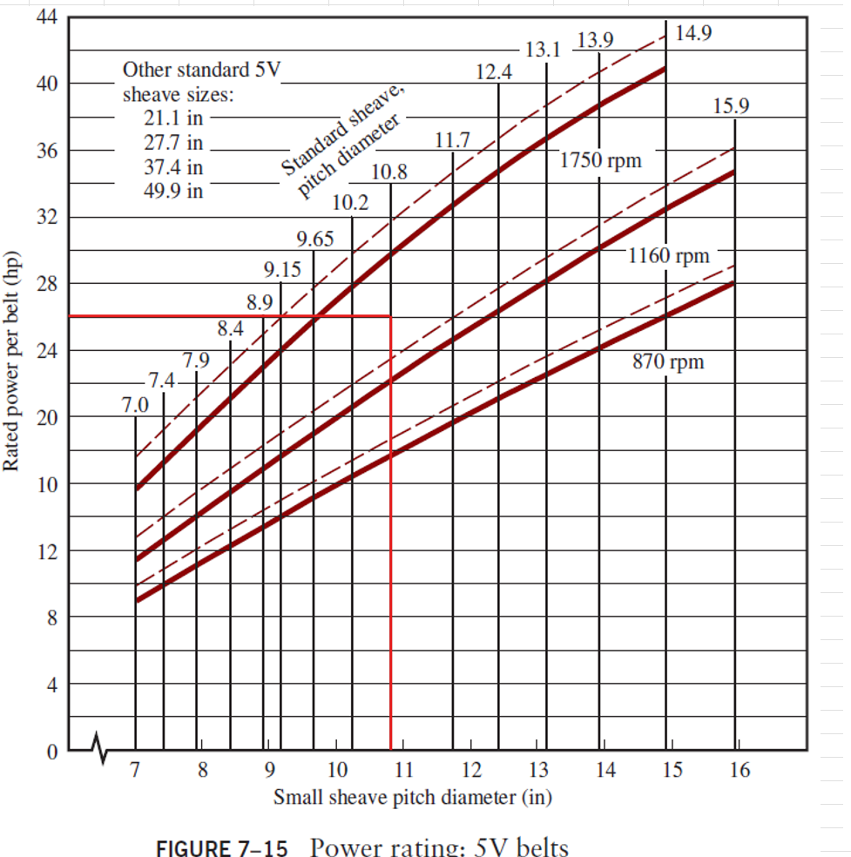

Given:
106 | L
21.1 | D_2
10.8 | D_1

First, calc B
223.668 | =B

Next, Calc CD
215.94558163 | = the sqrt
223.668 | =B
16 | = denom.
27.475848852 | =CD

Step 10: Calculate angle of wrap on small sheave
Use Mott Equ. 7-14

180 | degrees
21.1 | D_2
10.8 | D_1
27.475848852 | CD

0.18743733916
0.37710518869

0.37710518869 | =2*asin

179.62289481 | Theta_1 | --> having trouble with excel inputs. INCORRECT NO.

Using a calculator, Theta_1 =…

158.4 | Theta_1 (degrees)

Step 11: Determine angle of wrap and belt length correction factors
Use mott fig 7-18 and 7-19

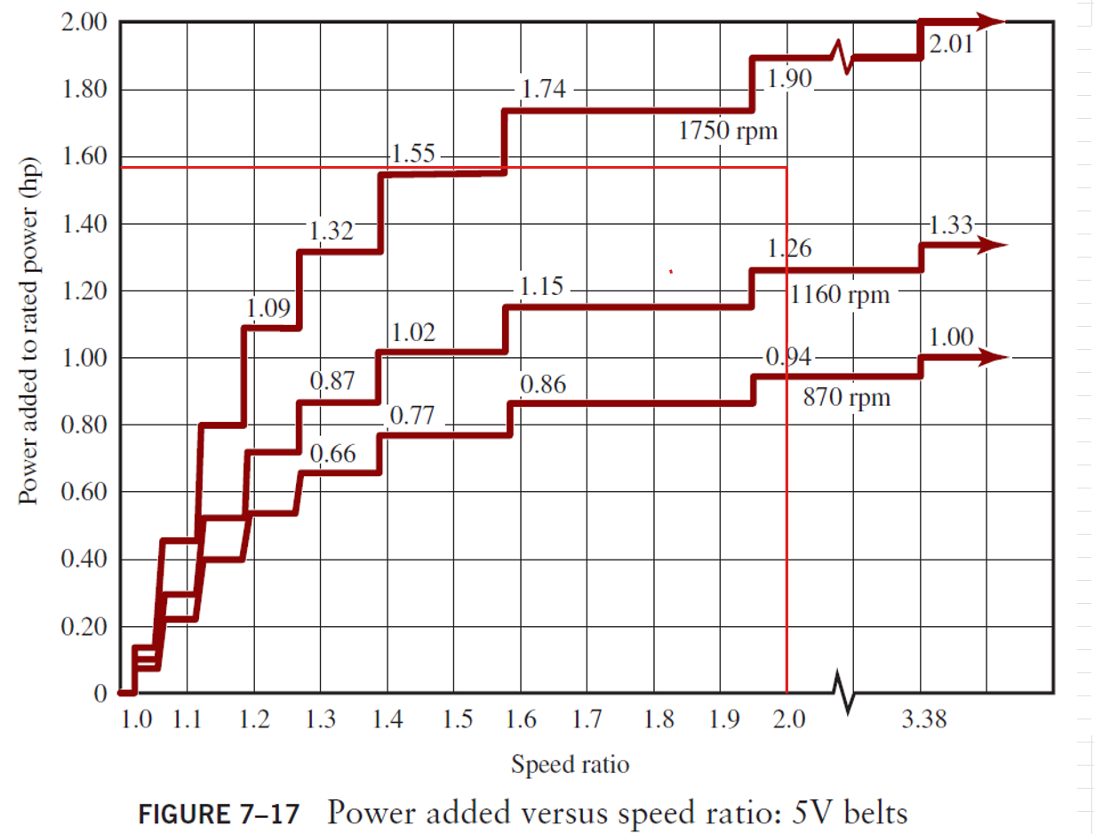
For Theta = 158.4 degrees
0.94 | C_Theta, From fig 7-18

0.97 | C_L, From fig 7-19

Step 12: Calculate the corrected power rating per belt & no. belts required
Corrected pwer rating per belt:
= C_theta * C_L * P

26 | Rated power per belt, P (from step 6)
0.94 | C_Theta, From fig 7-18
0.97 | C_L, From fig 7-19 |  |  | <-- to get down to 3 belts, increase centre dist.

23.7 | = corrected power rating per belt, (hp)

Minimum no. belts = design power/ corrected belt power
74.4 | = design power (hp), from step 6

3.14
Rounding up,
4 | = minimum no. belts required

Summary: |  | units
4 | = minimum no. belts required
74.4 | = design power (hp), from step 6 | hp
1.5 | Service factor
5V, 106in length | belts
10.8 | Driving sheave diameter | in
4 | Driving sheave no. grooves
21.1 | Driven sheave diameter | in
4 | Driven sheave no. grooves
754.98 | Actual output speed | rpm
27.48 | Centre distance | in

Iterating to get down to 3 belts:
C_L or C_theta should be increased

But how much better is having 3 belts and a larger design versus 4 belts and being overbuilt?
--> Comparison:

Belt/Chain drive velocity ratio (VR) | 1.8 ± 5%

Revisions must be made to accomidate correct VR and allow fewer belts.

Step 1: Calculate Design power

Design power = input power (hp) * service factor

From table 7-1 Mott:
Given (<6 h a day)

1.5 | Service factor
37 | kW
convert to hp (multiply by 1.34102):
49.618 | hp

74.4 | Design Power (hp)

Step 2: Select belt
Belt: 5V (from fig 7-13)

Step 3: Calculate the nominal speed ratio (given), i.e. calculate output speed
1475 | Motor speed (RPM)
1.8 | VR (1.8 ± 5%)

819.44 | Output speed (RPM)

Step 4: Compute driving sheave nominal size (for nominal belt speed of 4000ft/min)
4000 | Nominal belt speed (ft/min)

Using equ. 7-2:

9267.6983281 | omega_driving (rad/s)

10.36 | d_driving (in) (nominal)

Step 5: Select standard size input and output sheaves & calc actual output speed
 |  |  | ^mott figs 7-14 to 7-16
closest to 10.2in

28.2 | rated power (from fig 7-15)
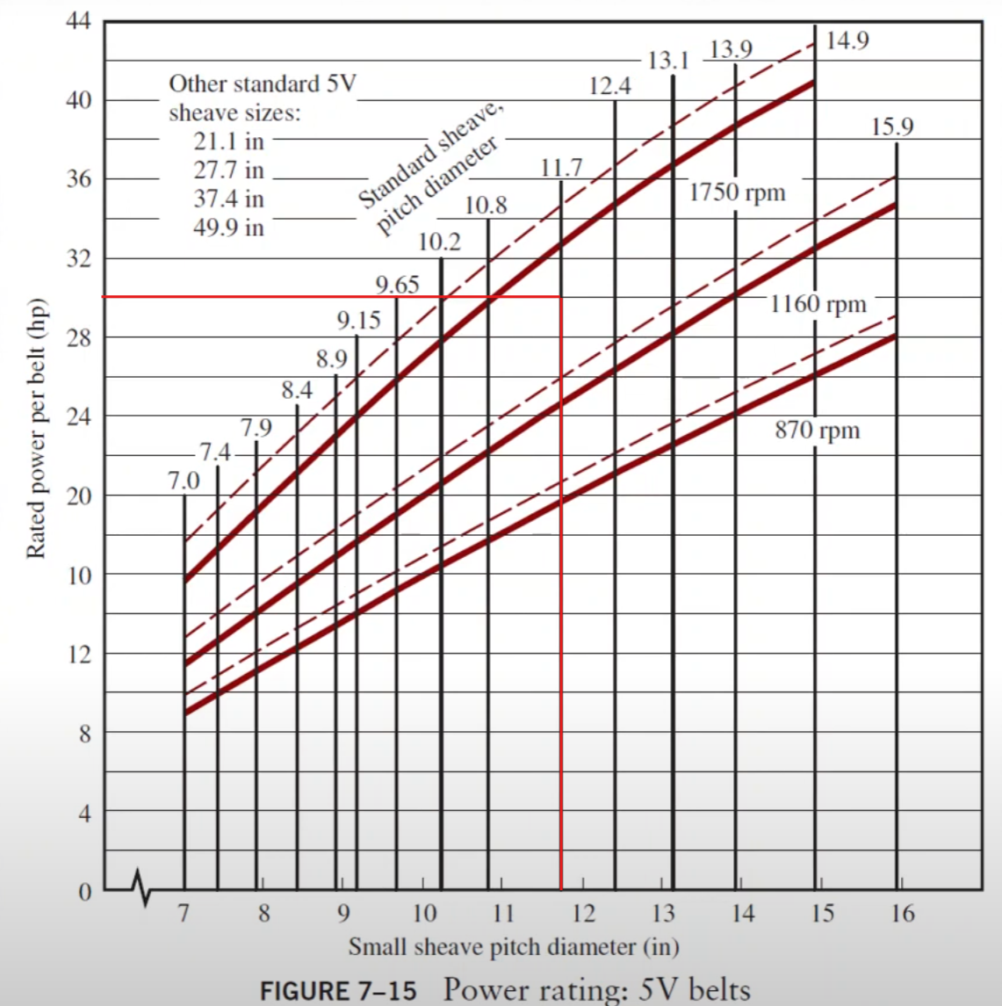
Standard sheave sizes, D_1): | approx. driven sheave size (1.8*D_1) | Nearest standard sheave size (D_2) | Actual speed output | Difference from 819.44rpm
9.65 | 17.37 | 15.9 | 895.20440252 | 9.245%
10.2 | 18.36 | 15.9 | 946.22641509 | 15.472%
10.8 | 19.44 | 21.1 | 754.97630332 | -7.867%
11.7 | 21.06 | 21.1 | 817.89099526 | -0.190%
12.4 | 22.32 | 21.1 | 866.82464455 | 5.782%

Calculate actual belt speed
11.7 | d_driving
1475 | omega_driving
4518.0029349 | v_belt (ft/min)

Therefore, this belt speed does meet requirements to be used in a belt drive

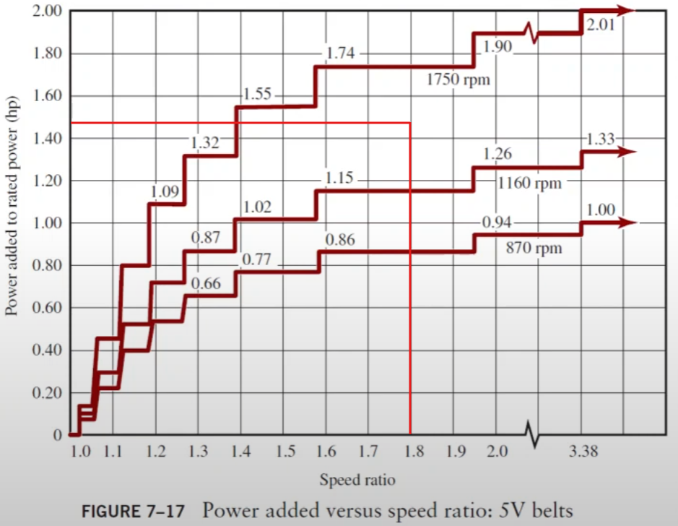
Step 6: Determine the rated power from the ratings charts
Adding 1.6hp to rated power based on fig 7-17
1.47 | added power
26 | rated power per belt (fig 7-15)
27.47 | new rated power per belt (hp)

74.4 | Design power (hp)

Calc how many belts are needed
2.7093778668
Round this number up
Therefore atleast 3 belts are needed.
3 | number of belts required

Step 7: specify a trial centre distance, CD.
Use mott eq. 7-17 to determine nominal acceptable range.
equ 7-17 = D_2 < CD < 3*(D_2 + D_1)
21.1 | D_2
11.7 | D_1
98.4 | =(3* D_2 +D_1)
21.1 < CD < 98.4

40 | Trial CD (in) | (i.e. something towards smaller end)

Step 8: Determine required belt length
Use Mott Equ. 7-12

80 | =2CD
51.496 | =1.57*(D_2 + D_1)
88.36 | =(D_2 - D_1)^2
160 | =4CD |  | --> divide these |  | 0.55225

132.04825 | =L (in)

Step 9: Select standard belt length (table 7-2)
Between:
132 | in
140 | in | --> both of these are standard belt sizes

Very close to 132, therefore we will choose 132

Step 10: Calculate actual sentre distance (equ. 7-13)

Given:
132 | L
21.1 | D_2
11.7 | D_1

First, calc B
322.016 | =B

Next, Calc CD
317.59531523 | = the sqrt
322.016 | =B
16 | = denom.
39.975707202 | =CD

Step 11: Calculate angle of wrap on small sheave
Use Mott Equ. 7-14

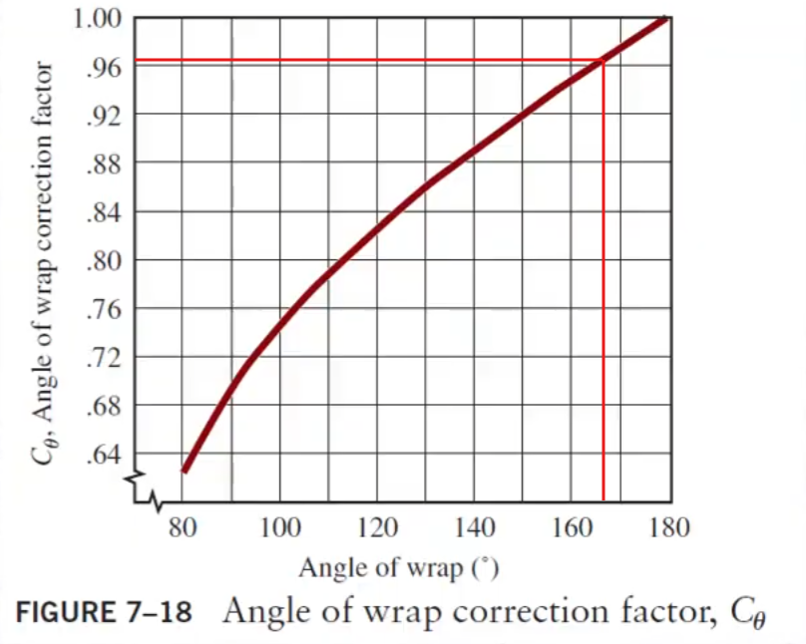
3.1415926536 | convert 180 degrees to radians (excel requires radians for sin)
0.23568793588 | 2sin…
2.9059047177 | Theta_1

Convert back to degrees:
166.50 | Theta_1 (angle of wrap of small sheave) (Degrees)

Step 12: Determine angle of wrap and belt length correction factors
Use mott fig 7-18 and 7-19

For Theta = 166.5 degrees

0.962 | C_Theta, From fig 7-18

1.01 | C_L, From fig 7-19

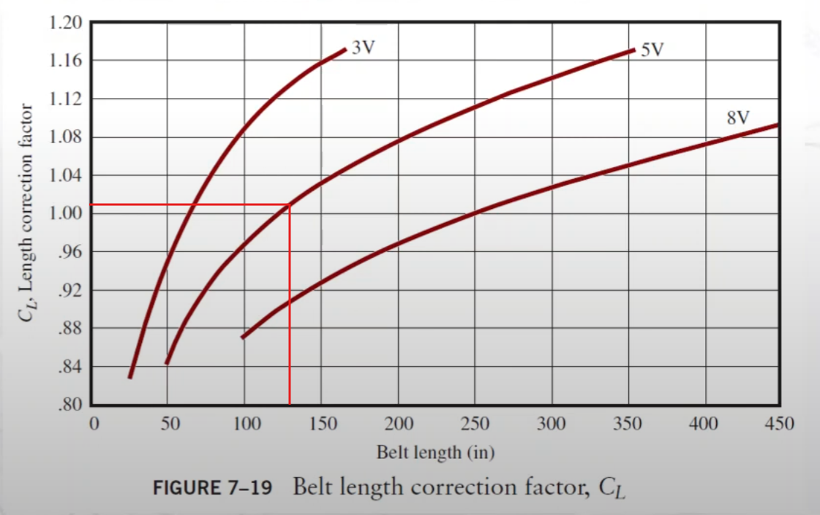
Step 13: Calculate the corrected power rating per belt & no. belts required
Corrected power rating per belt:
= C_theta * C_L * P

27.47 | Rated power per belt, P (from step 6)
0.962 | C_Theta, From fig 7-18
1.01 | C_L, From fig 7-19

26.7 | = corrected power rating per belt, (hp)

Minimum no. belts = design power/ corrected belt power
74.4 | = design power (hp), from step 6

2.79
Rounding up,
3 | = minimum no. belts required

Part c)
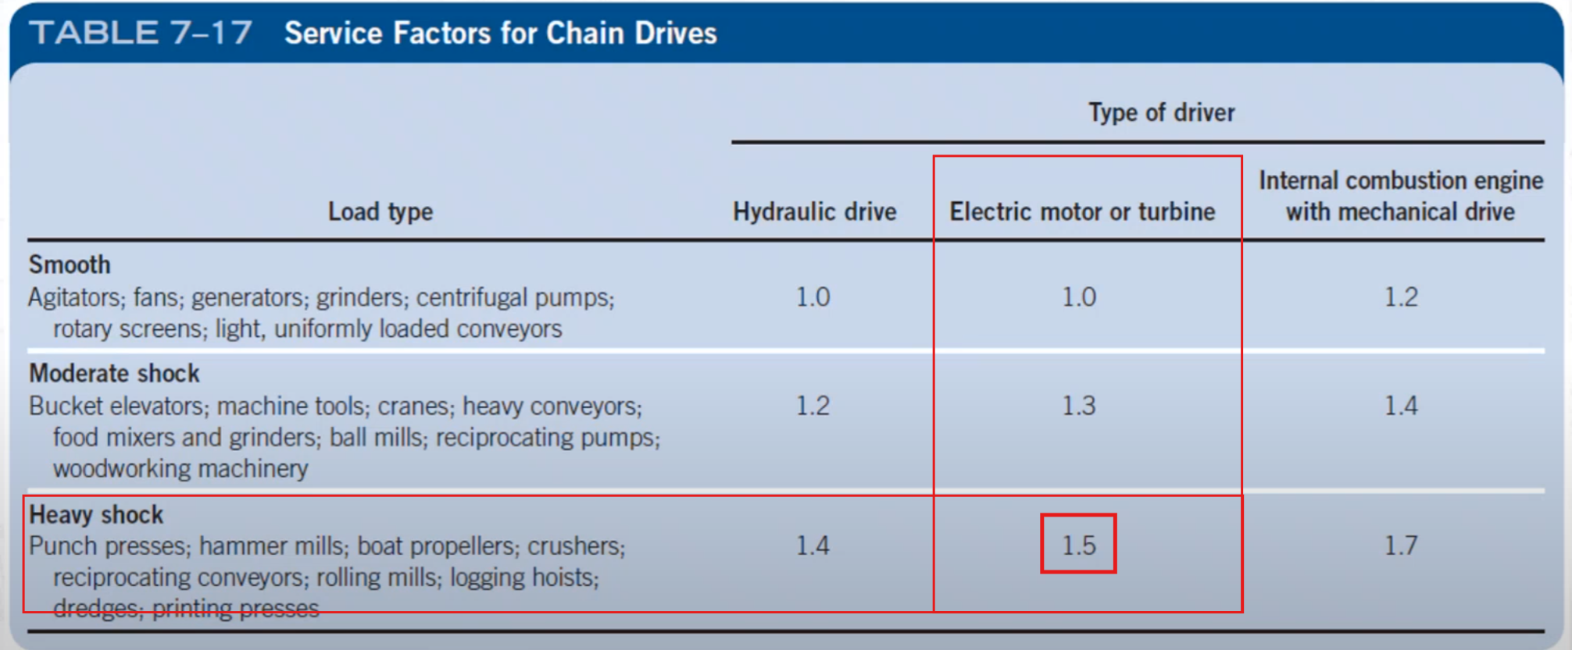

From part A:
"the TechTop 37kW motor at 1475rpm, i.e. frame size 225S will be used."

Using the 980rpm version (From tech top catelogue):
Output (kw) | Full Load Speed (RPM) | Frame Size | Shaft Diameter | Current @ 400v Full Load (A) | Efficency Full Load (%) | Power Factor Full Load (%) | Torque Full Load (Nm)
37 | 980 | 250M | 65 | 68.7 | 93.2 | 0.85 | 359.2

Step 1: Compute the design power

1.5 | Service factor (From table 7-17)
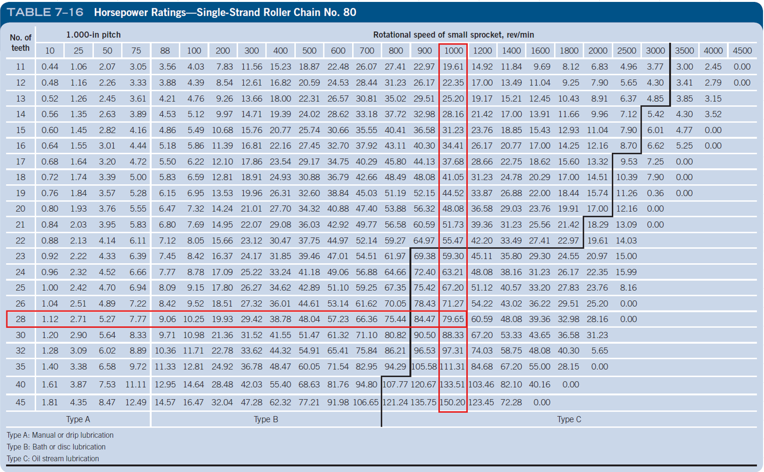
convert kW to hp (multiply by 1.34102):
49.62 | hp

Calc design power (Service factor * Power (hp))
74.4

Step 2: Calculate the nominal speed ratio
980 | Motor speed (RPM)
490 | speed at gearbox (RPM) |  |  | <--- nominal, subject to change
 |  |  |  | no particular reason why this no. chosen
2

Step 3: Refer to tables 7-14 to 7-16 for power capacity and select chain pitch

From table 7-16 (must be 7-16 i.e. chain no.80 as others are not rated to 74.4hp)
28 | no. teeth, N
1 | pitch, (in)
Type C | Lubrication type required (Oil stream)
no.80 | Chain size

Step 4: Determine no. teeth of large sprocket

28 | N_1
2 | Ratio

56 | N_2

Step 5: Determine actual output speed and check it is within limits
--> Integer for large sprocket. Output is exact

Step 6: Compute sprocket pitch diameters using equation 7-20:
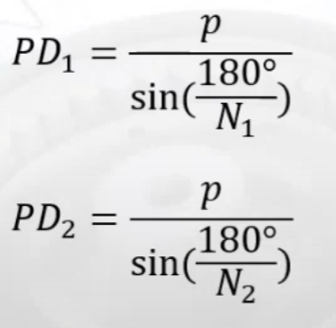

1 | pitch, (in)
8.9314042704 | PD_1 (in)
17.834707039 | PD_2 (in) |  | <-- need to use the function RADIANS() to convert degrees to radians because excel uses radians for trig functions

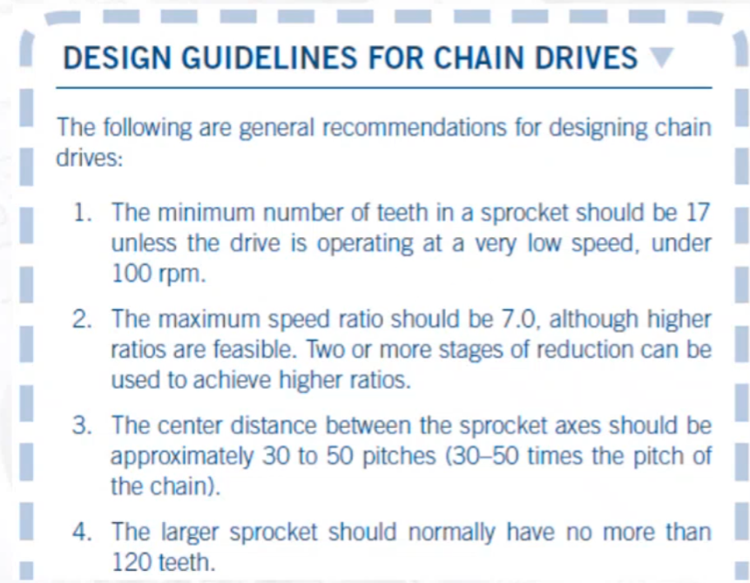
Step 7: Specify nominal centre distance in pitches

Utilising the design guidelines for chain drives (Mott, shown to right):

40 | Centre distance pitch multiplcation factor
40 | CD (in)

Reviewing design guidelines
1. Check
2. Check
3. Check
4. Check

Step 8: Compute the required chain length in pitches using equation 7-18

80 | --->

42 | --->

784 | --->
1579.1367042 | ---> |  |  | = | 0.49647379985

122.4964738 | =L_C

Step 9: Specify an integer no. pitches for chain length, and then, calcualte actual centre distance using equ 7-19

Specify chain length (nearest even number):
122 | chain length

Actual centre distance:

122 | =L_C

42 | --->

79.000812553 | --->

39.75 | Actual CD (pitches) |  |  | ---> | 1 pitch = 1 in (in this case)
39.75 | Actual CD (in)

Step 10: Calculate anglue of wrap for each sprocket using eq. 7-21 and 7-22 and check <120 degrees.

0.11199065747 | --->

0.2244521694 | --->

2.9171404842 | Theta_1 (radians) |  | ---> | 167.1398 | degrees

0.11199065747 | --->

0.2244521694 | --->

3.366044823 | Theta_2 (radians) |  | ---> | 192.8602 | degrees

Both greater than 120 degrees.

Checking with solidworks:

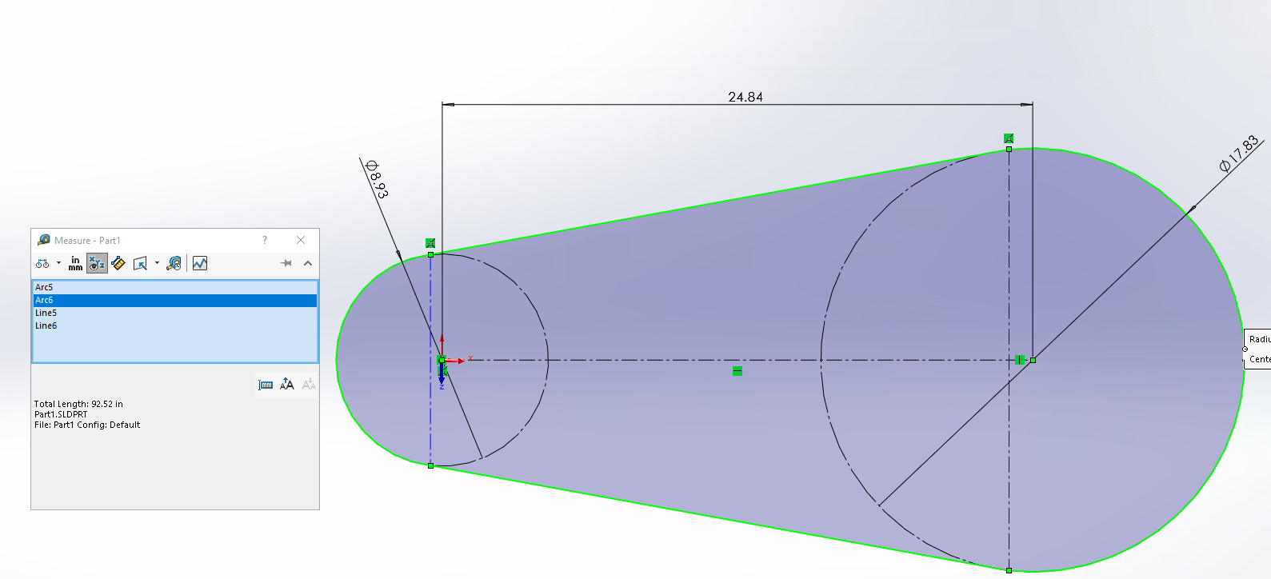

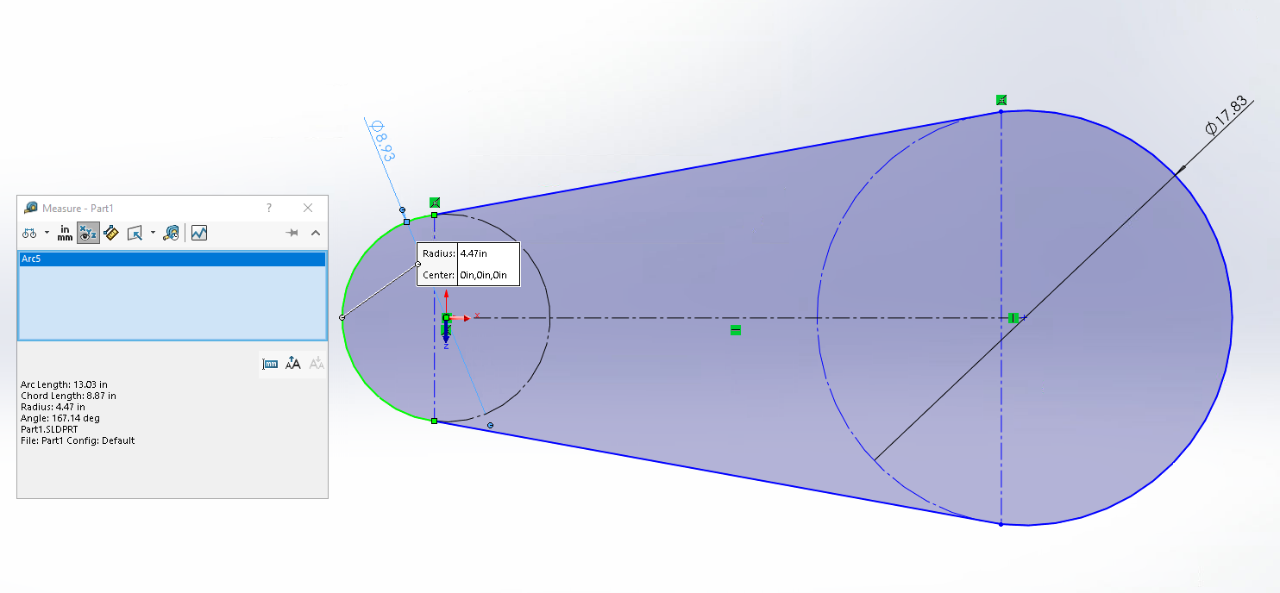

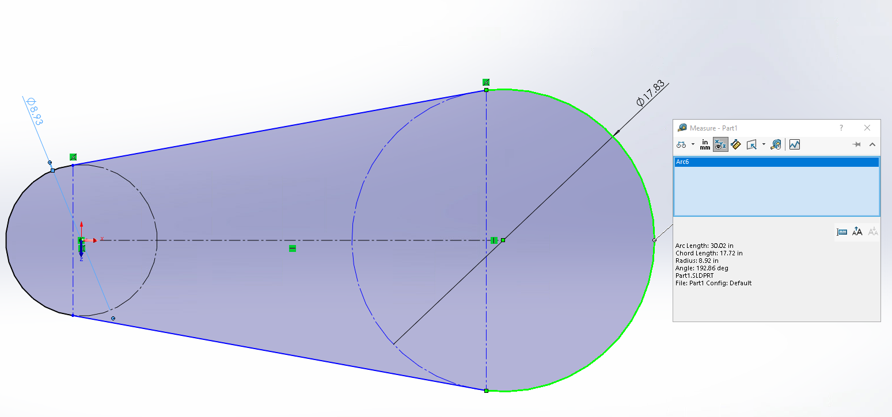

Summary:
Chain(s): | Length: | Driving Sprocket: | Driven Sprocket: | Actual Output speed: | Centre Distance: | Lubcrication Type:
no.80, pitch = 1in, single chain | 122 | No. teeth = 28, Pitch diameter = 8.93in | No. teeth = 56, pitch diameter = 17.83in | 490 | 39.75 | Type C (Oil stream)

But lubrication should be Type A or B, and the design can be made more compact:

Belt/Chain drive velocity ratio (VR) | 1.8 ± 5%

From part A:
"the TechTop 37kW motor at 1475rpm, i.e. frame size 225S will be used."

Using the 980rpm version (From tech top catelogue):
Output (kw) | Full Load Speed (RPM) | Frame Size | Shaft Diameter | Current @ 400v Full Load (A) | Efficency Full Load (%) | Power Factor Full Load (%) | Torque Full Load (Nm)
37 | 980 | 250M | 65 | 68.7 | 93.2 | 0.85 | 359.2

Step 1: Compute the design power

1.5 | Service factor (From table 7-17)

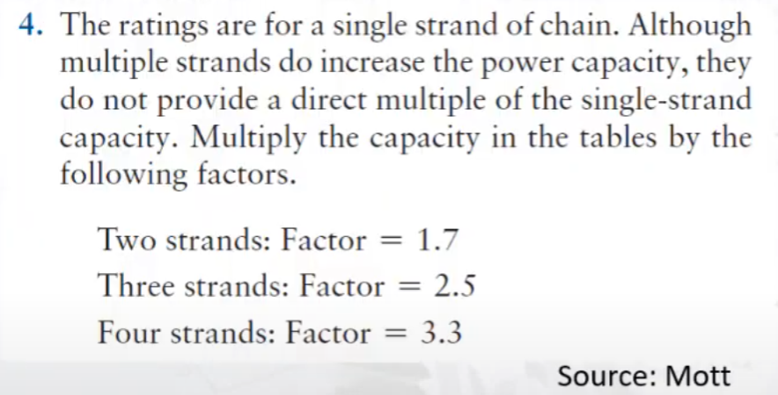
convert kW to hp (multiply by 1.34102):
49.62 | hp

Calc design power (Service factor * Power (hp))
74.4

Step 2: Calculate the nominal speed ratio/ calc output speed
980 | Motor speed (RPM)
1.8 | VR

544.44444444 | speed at gearbox (RPM)

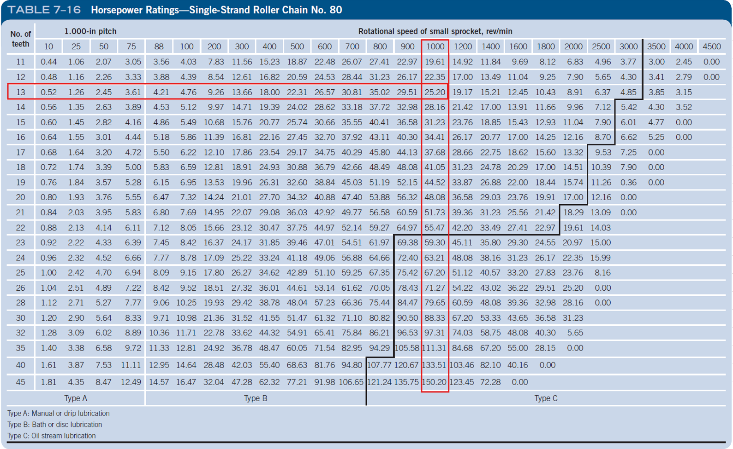
Step 3: Refer to tables 7-14 to 7-16 for power capacity and select chain pitch
Nominal no. strands: 4
4 | strands no.
3.3 | Power capacity factor

power per stand = design power/power capacity factor
22.553518182

We see that 4 stands falls well within Type B.
Type A will not be possible as rpm will be 980 unless a reduction gear is used .
This is outside scope.

Try 2 strands:
Nominal no. strands: 2
2 | strands no.
1.7 | Power capacity factor

power per stand = design power/power capacity factor
43.780358824 | ---> falls within Type B so this will be used.

From table 7-16 :
19 | no. teeth, N
1 | pitch, (in)
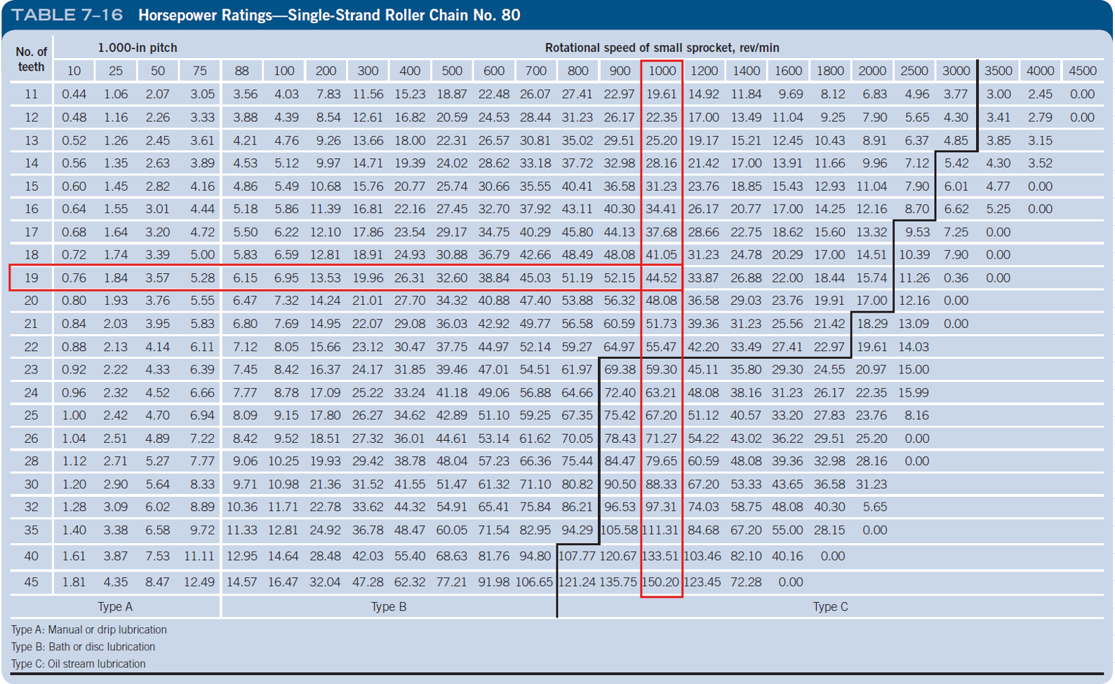
Type B | Lubrication type required (Bath or Disc)
no.80 | Chain size

Step 4: Determine no. teeth of large sprocket

19 | N_1
1.8 | Ratio

34.2 | N_2

Step 5: Determine actual output speed and check it is within limits

N_2 must be an integer, therefore round up
35 | N_2
1.8421052632 | Actual VR |  | ---> within 1.8+- 5% (this figure is 1.89 max, and 1.84 falls within this)
532.00 | Actual Output Speed (rpm)

Calculate pitch:

 |  |  | <-- need to use the function RADIANS() to convert degrees to radians because excel uses radians for trig functions

6.075533821 | PD_1
11.155820055 | PD_2

Calculate V_chain:
30.220849663 | V_Chain

Therefore V_Chain << 1500 ft/min

Step 6: Specify nominal centre distance in pitches
Utilising the design guidelines for chain drives (Mott, shown to right):

30 | Centre distance pitch multiplcation factor |  |  |  |  | Lets try 30in (most compact)
30 | CD (in) | ---> 40 * pitch (1in)

Reviewing design guidelines
1. Check
2. Check
3. Check
4. Check

Step 8: Compute the required chain length in pitches using equation 7-18

60 | --->

27 | --->

256 | --->
1184.3525281 | ---> |  |  | = | 0.21615185844

87.216151858 | =L_C

Step 9: Specify an integer no. pitches for chain length, and then, calcualte actual centre distance using equ 7-19

Specify chain length (nearest even number):
88 | chain length

Actual centre distance:

88 | =L_C

27 | --->

60.573290764 | --->

30.39 | Actual CD (pitches) |  |  | ---> | 1 pitch = 1 in (in this case)
30.39 | Actual CD (in)

Step 10: Calculate anglue of wrap for each sprocket using eq. 7-21 and 7-22 and check <120 degrees.

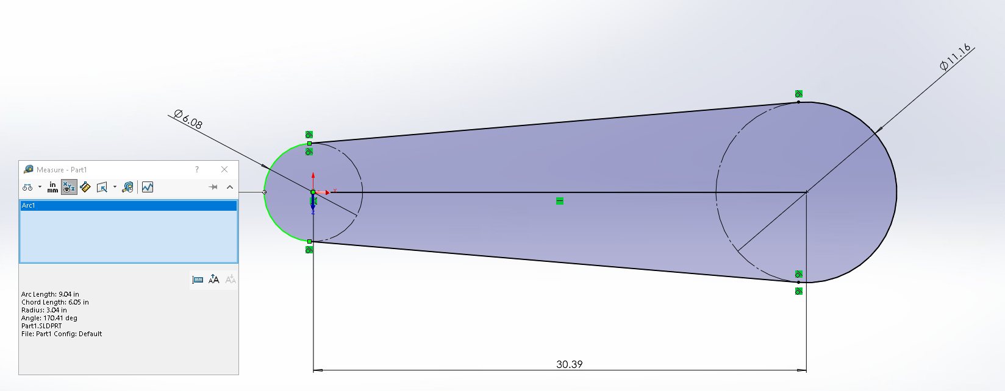

0.08357569664 | --->

0.16734659668 | --->

2.9742460569 | Theta_1 (radians) |  | ---> | 170.41 | degrees

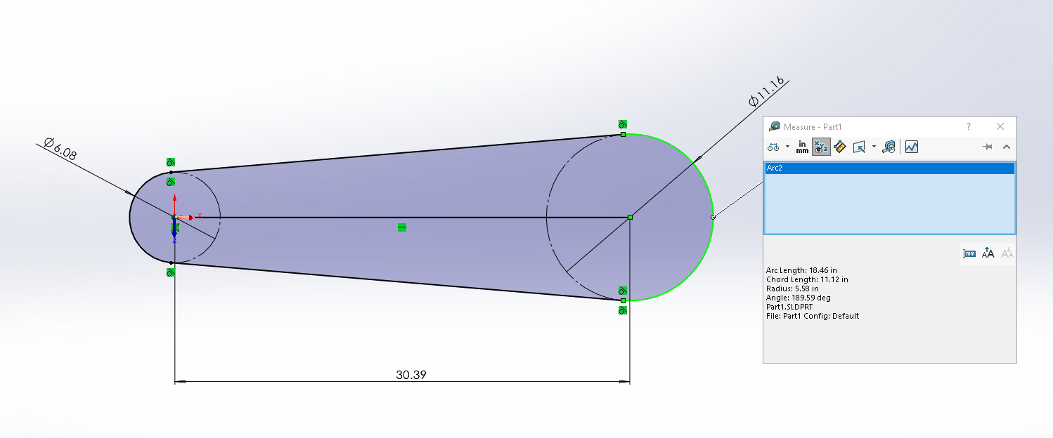
0.08357569664 | --->

0.16734659668 | --->

3.3089392503 | Theta_2 (radians) |  | ---> | 189.59 | degrees

Both greater than 120 degrees.

Part d)
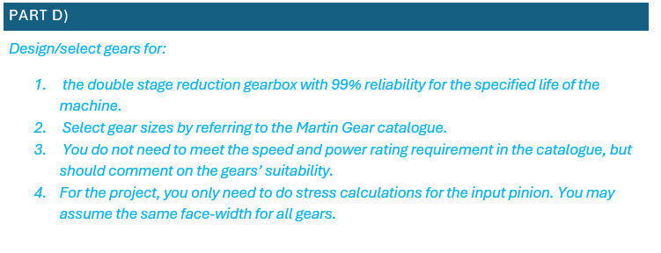

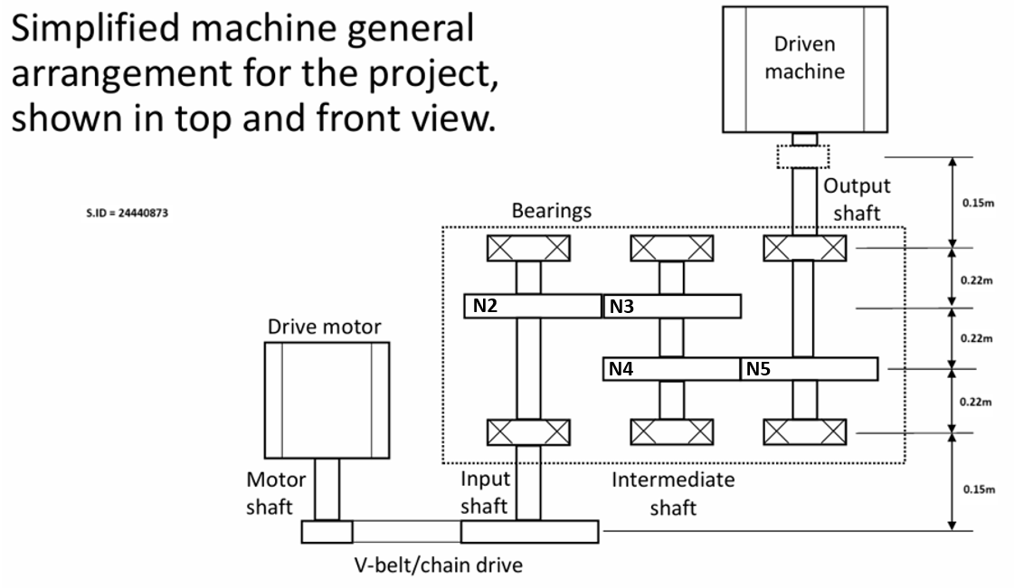

532.00 | Input shaft speed (from v-belt/chain drive) i.e output speed from belt/chain drive
 | Must be either 1.8+- 1475 or 1.8+-980

 | CHAIN DRIVE
 | Has 95% efficiency, therefore
 | 37kW | --> | 35.15 | kW

Known parameters: |  |  |  |  |  | This part regards the first 3 weeks of content
35.15 | Power P (at input shaft) (kW)
532.00 | RPM (at input shaft) |  |  |  |  | The system will operate 5 hours a day, 5 days a week and should have a working life of 10 years.
80 | Driven machine RPM (i.e. output shaft RPM) ±5% |  |  |  |  | The machine and its components operate at close to normal room temperature.
3400 | Nm (Driven machine torque requirements |  |  |  |  | You do not need to meet the speed and power rating requirement in the catalogue, but should comment on the gears’ suitability
98% | Efficency for the gearbox
99% | Reliability for working life |  |  |  |  | Notes from Terry:
10 years | Working life of system |  |  |  |  | Diametral pitch of either 4 or 5
5 hours a day, 5 days a week | Operating schedule |  |  |  |  | face width between 8/pd - 16/pd (choose middle - 12/pd)
 |  |  |  |  |  | Use 20 Degree pitch angle
Step 1: Overall velocity ratio of the gearbox |  |  |  |  |  | Assume you can use any material and are not limited by power ratings
532.00 | input rpm | --> Choosing chain as it is smaller |  |  |  | Assume that you can bore out the hub of the gear to meet shaft requirements (as some may not line up)
80.00 | output rpm |  |  |  |  | Choose teeth number from 20 degree table
6.650 | VR_Gearbox |  |  |  |  | Iteration occurs during gear selection (at least 2)

TR = 1/VR |  |  |  |  |  | we would want to design the specification of the gears before doing stress calculations on the pinion gear as we need to know what the pinion gear will look like
0.15037593985 |  |  |  |  |  | Maybe two gears of the four should be the same for the sake of simplicity if possible

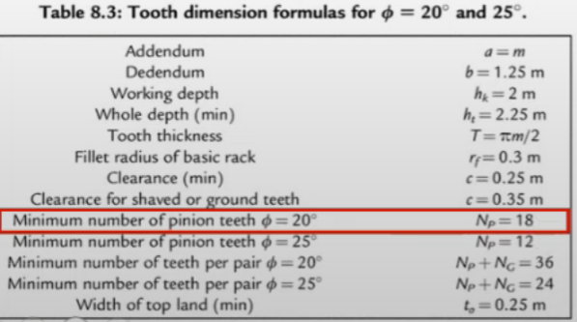
Step 2: Choose an input gear from martin gear catelogue

face width between 8/pd - 16/pd (choose middle - 12/pd)
1 | Face width (in) Trial
12 | Pitch diameter PD

Catelogue no. | No. Teeth | Pressure angle (degrees)
TC12144 | 144 | 20

REMEMBER: use a DP of 4 or 5
4 DP:
face width between 8/pd - 16/pd (choose middle - 12/pd)
3.5 | Face width (in) Trial
3.4285714286 | Required Pitch diameter PD

no good, does not meet minimum no teeth for pinion

5 DP:
face width between 8/pd - 16/pd (choose middle - 12/pd)
2.5 | Face width (in) Trial
4.8 | Required Pitch diameter PD

Perfect
Catelogue no. | No. Teeth | Pressure angle (degrees) | Pitch Diameter
TS524 | 24 | 20 | 4.8

24 | N_2 |  | ---> = N_4
532.00 | n_2

Step 3: start with equal ratios for both trains
2.5787593916 | Trial VR for both trains

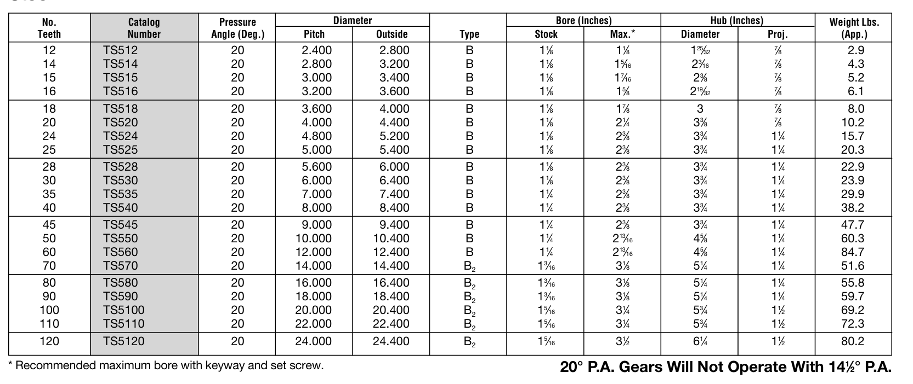
5 DP 20 degree pressure angle 2 1/2 in face spur gear table martin catelogue
61.890225399 | N_3
Round up,
62 | N_3 Nominal | --> closest that exists is 60
60 | N_3 Nominal |  | ----> = N_5

2.5

Test if is within 80+- 5% rpm)
85.12
Does not fall within 80+- 5% rpm

Step 4: Iterate

n_5 (+- 5%) | n_2 | N_2 | N_3 | VR_3-2 | VR_both | VR_Gearbox
80 | 532.00 | 24 | 60 | 2.5 | 2.5787593916 | 6.650

 |  |  |  | Given VR_3-2 = 2.5, what VR_5-4 allows for nearest 80rpm?
 | 82.520300533 |  |  | =2.66
 |  |  |  | 2.66

N_4 |  | N_5
12 |  | 12 |  | 1
14 |  | 14 |  | 0.85714285714
15 |  | 15 |  | 0.8
16 |  | 16 |  | 0.75
18 |  | 18 |  | 0.66666666667
20 |  | 20 |  | 0.6
24 |  | 24 |  | 0.5
25 |  | 25 |  | 0.48
28 |  | 28 |  | 0.42857142857
30 |  | 30 |  | 0.4
35 |  | 35 |  | 0.34285714286
40 |  | 40 |  | 0.3
45 |  | 45 |  | 0.26666666667
50 |  | 50 |  | 0.24
60 |  | 60 |  | 0.2
70 |  | 70 |  | 0.17142857143
80 |  | 80 |  | 0.15
90 |  | 90 |  | 0.13333333333
100 |  | 100 |  | 0.12
110 |  | 110 |  | 0.10909090909
120 |  | 120 |  | 0.1

N_5 | 12 | 14 | 15 | 16 | 18 | 20 | 24 | 25 | 28 | 30 | 35 | 40 | 45 | 50 | 60 | 70 | 80 | 90 | 100 | 110 | 120
N_5 | 12 | 14 | 15 | 16 | 18 | 20 | 24 | 25 | 28 | 30 | 35 | 40 | 45 | 50 | 60 | 70 | 80 | 90 | 100 | 110 | 120
N_5 | 12 | 14 | 15 | 16 | 18 | 20 | 24 | 25 | 28 | 30 | 35 | 40 | 45 | 50 | 60 | 70 | 80 | 90 | 100 | 110 | 120
N_5 | 12 | 14 | 15 | 16 | 18 | 20 | 24 | 25 | 28 | 30 | 35 | 40 | 45 | 50 | 60 | 70 | 80 | 90 | 100 | 110 | 120
N_5 | 12 | 14 | 15 | 16 | 18 | 20 | 24 | 25 | 28 | 30 | 35 | 40 | 45 | 50 | 60 | 70 | 80 | 90 | 100 | 110 | 120
N_5 | 12 | 14 | 15 | 16 | 18 | 20 | 24 | 25 | 28 | 30 | 35 | 40 | 45 | 50 | 60 | 70 | 80 | 90 | 100 | 110 | 120
N_5 | 12 | 14 | 15 | 16 | 18 | 20 | 24 | 25 | 28 | 30 | 35 | 40 | 45 | 50 | 60 | 70 | 80 | 90 | 100 | 110 | 120
N_5 | 12 | 14 | 15 | 16 | 18 | 20 | 24 | 25 | 28 | 30 | 35 | 40 | 45 | 50 | 60 | 70 | 80 | 90 | 100 | 110 | 120
N_5 | 12 | 14 | 15 | 16 | 18 | 20 | 24 | 25 | 28 | 30 | 35 | 40 | 45 | 50 | 60 | 70 | 80 | 90 | 100 | 110 | 120
N_5 | 12 | 14 | 15 | 16 | 18 | 20 | 24 | 25 | 28 | 30 | 35 | 40 | 45 | 50 | 60 | 70 | 80 | 90 | 100 | 110 | 120
N_5 | 12 | 14 | 15 | 16 | 18 | 20 | 24 | 25 | 28 | 30 | 35 | 40 | 45 | 50 | 60 | 70 | 80 | 90 | 100 | 110 | 120
N_5 | 12 | 14 | 15 | 16 | 18 | 20 | 24 | 25 | 28 | 30 | 35 | 40 | 45 | 50 | 60 | 70 | 80 | 90 | 100 | 110 | 120
N_5 | 12 | 14 | 15 | 16 | 18 | 20 | 24 | 25 | 28 | 30 | 35 | 40 | 45 | 50 | 60 | 70 | 80 | 90 | 100 | 110 | 120
N_5 | 12 | 14 | 15 | 16 | 18 | 20 | 24 | 25 | 28 | 30 | 35 | 40 | 45 | 50 | 60 | 70 | 80 | 90 | 100 | 110 | 120
N_5 | 12 | 14 | 15 | 16 | 18 | 20 | 24 | 25 | 28 | 30 | 35 | 40 | 45 | 50 | 60 | 70 | 80 | 90 | 100 | 110 | 120
N_5 | 12 | 14 | 15 | 16 | 18 | 20 | 24 | 25 | 28 | 30 | 35 | 40 | 45 | 50 | 60 | 70 | 80 | 90 | 100 | 110 | 120
N_5 | 12 | 14 | 15 | 16 | 18 | 20 | 24 | 25 | 28 | 30 | 35 | 40 | 45 | 50 | 60 | 70 | 80 | 90 | 100 | 110 | 120
N_5 | 12 | 14 | 15 | 16 | 18 | 20 | 24 | 25 | 28 | 30 | 35 | 40 | 45 | 50 | 60 | 70 | 80 | 90 | 100 | 110 | 120
N_5 | 12 | 14 | 15 | 16 | 18 | 20 | 24 | 25 | 28 | 30 | 35 | 40 | 45 | 50 | 60 | 70 | 80 | 90 | 100 | 110 | 120
N_5 | 12 | 14 | 15 | 16 | 18 | 20 | 24 | 25 | 28 | 30 | 35 | 40 | 45 | 50 | 60 | 70 | 80 | 90 | 100 | 110 | 120

 | 1 | 1.1666666667 | 1.25 | 1.3333333333 | 1.5 | 1.6666666667 | 2 | 2.0833333333 | 2.3333333333 | 2.5 | 2.9166666667 | 3.3333333333 | 3.75 | 4.1666666667 | 5 | 5.8333333333 | 6.6666666667 | 7.5 | 8.3333333333 | 9.1666666667 | 10
 | 0.85714285714 | 1 | 1.0714285714 | 1.1428571429 | 1.2857142857 | 1.4285714286 | 1.7142857143 | 1.7857142857 | 2 | 2.1428571429 | 2.5 | 2.8571428571 | 3.2142857143 | 3.5714285714 | 4.2857142857 | 5 | 5.7142857143 | 6.4285714286 | 7.1428571429 | 7.8571428571 | 8.5714285714
 | 0.8 | 0.93333333333 | 1 | 1.0666666667 | 1.2 | 1.3333333333 | 1.6 | 1.6666666667 | 1.8666666667 | 2 | 2.3333333333 | 2.6666666667 | 3 | 3.3333333333 | 4 | 4.6666666667 | 5.3333333333 | 6 | 6.6666666667 | 7.3333333333 | 8
 | 0.75 | 0.875 | 0.9375 | 1 | 1.125 | 1.25 | 1.5 | 1.5625 | 1.75 | 1.875 | 2.1875 | 2.5 | 2.8125 | 3.125 | 3.75 | 4.375 | 5 | 5.625 | 6.25 | 6.875 | 7.5
...
 |  |  |  |  |  |  |  |  | 0.4 | 0.42857142857 | 0.5 | 0.57142857143 | 0.64285714286 | 0.71428571429 | 0.85714285714 | 1 | 1.1428571429 | 1.2857142857 | 1.4285714286 | 1.5714285714 | 1.7142857143
 |  |  |  |  |  |  |  |  | 0.35 | 0.375 | 0.4375 | 0.5 | 0.5625 | 0.625 | 0.75 | 0.875 | 1 | 1.125 | 1.25 | 1.375 | 1.5
 |  |  |  |  |  |  |  |  | 0.31111111111 | 0.33333333333 | 0.38888888889 | 0.44444444444 | 0.5 | 0.55555555556 | 0.66666666667 | 0.77777777778 | 0.88888888889 | 1 | 1.1111111111 | 1.2222222222 | 1.3333333333
 |  |  |  |  |  |  |  |  | 0.28 | 0.3 | 0.35 | 0.4 | 0.45 | 0.5 | 0.6 | 0.7 | 0.8 | 0.9 | 1 | 1.1 | 1.2
 |  |  |  |  |  |  |  |  | 0.25454545455 | 0.27272727273 | 0.31818181818 | 0.36363636364 | 0.40909090909 | 0.45454545455 | 0.54545454545 | 0.63636363636 | 0.72727272727 | 0.81818181818 | 0.90909090909 | 1 | 1.0909090909
 |  |  |  |  |  |  |  |  | 0 | 0 | 0 | 0 | 0 | 0 | 0 | 0 | 0 | 0 | 0 | 0 | 0
...
5 DP 20 degree pressure angle 2 1/2 in face spur gear table martin catelogue
...
 |  |  |  |  |  |  |  |  |  | Final Gear Dimensions
 |  |  |  |  |  |  |  |  |  |  | N | Bore | OD | Pd
 |  |  |  |  |  |  |  |  |  | N_2 | 24 | match shaft | 5.2 | 4.8
 |  |  |  |  |  |  |  |  |  | N_3 | 60 | 1 1/4 to 2 13/6 | 12.4 | 12
 |  |  |  |  |  |  |  |  |  | N_4 | 15 | 1 1/8 to 1 7/16 | 3.4 | 3
 |  |  |  |  |  |  |  |  |  | N_5 | 40 | 1 1/4 to 2 3/8 | 8.4 | 8
 |  |  |  |  |  |  |  |  |  | Face width 2 1/2 in
...
 |  |  |  |  |  |  |  |  |  |  |  | N_3, N_4 share the same shaft
 |  |  |  |  |  |  |  |  |  |  |  | Middle value for bore is 1.275in
...
24 | N_2
2.5 | F (inches)
35.15 | H (P @ input shaft, kW)
? | m

Step 5a: Calculate module

m= DP/N | (equ 9-6 mott)
4.8 | DP (pitch diameter for pinon N_2)
24 | N (N_2)

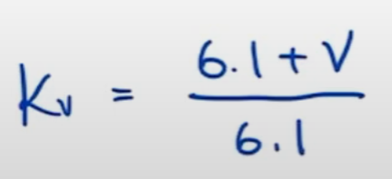
0.2 | m

Step 5b: Calculate pitch-line velocity (V), to calculate K_v

V= (omega)*r
2.4 | r (inches)
0.0610 | r (m)
532.00 | n_2
3.3961370568 | (omega) (rad/s)

0.20702851498 | V (m/s)

Step 5c: Calculate K_v

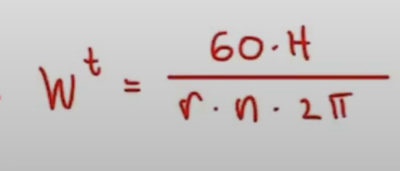
1.0339391008 | K_v

Step 5d: Calculate W^t

10.349994542 | W^t

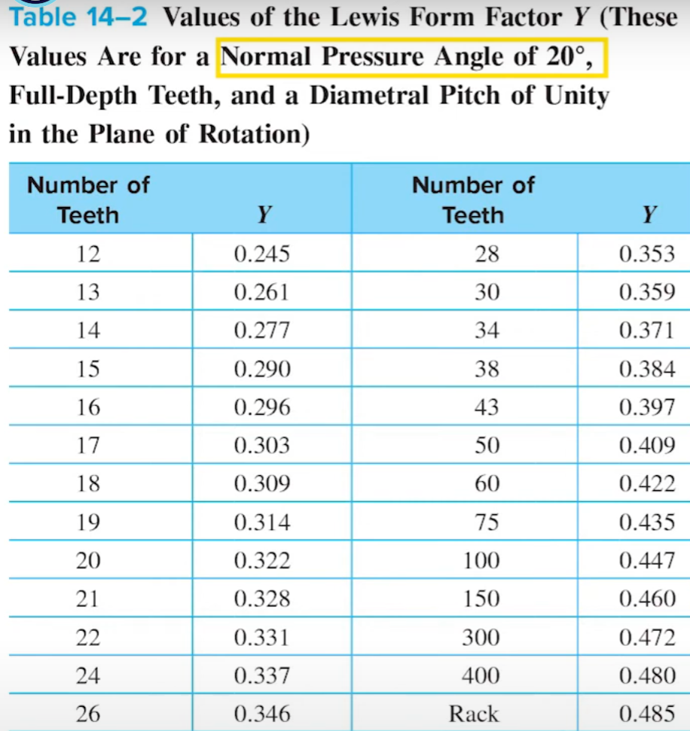
Step 5e: Calculate Y (from table 14-2, right)

24 | N_2

0.337 | Y (from table)

Step 5f: Calculate bending stress at the teeth (sigma):

1.0339391008 | K_v
10.349994542 | W^t
2.5 | F (inches)
0.2 | m
0.337 | Y (from table)

63.508985459 | bending stress, sigma, (MPa)
63.508985459 | S_t

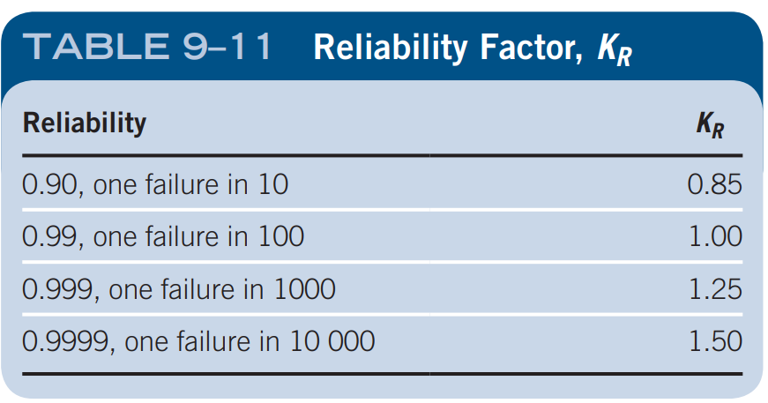
Step 6: Working Life reliability
99% | Reliability for working life
10 years | Working life of system

1 | K_r (table 9-11)

Martin gear catelogue specifies 'Steel' as material
Assuming SAE 8620 steel (used in example 9-5)

379 | S_at (table 9-9)
63.508985459 | S_t (step 5)
 | Y_n
1 | K_r

To find Y_n:
must determine no. of cycles, N

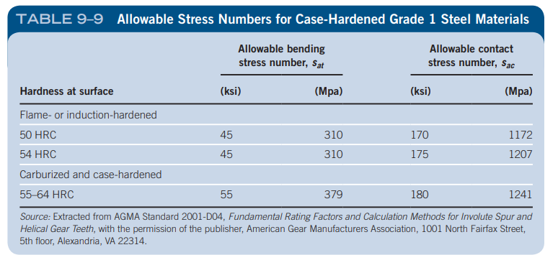

Using equation 9-27:
1 | q (number of load applications per revolution, assume 1
532.00 | n_2

From design parameters:
5 | working hours a day
5 | working days a week
10 | years design life
L = 5*5*52*10
13000 | L (design life hours)

414960000 | N_c
=4.15 * 10^8
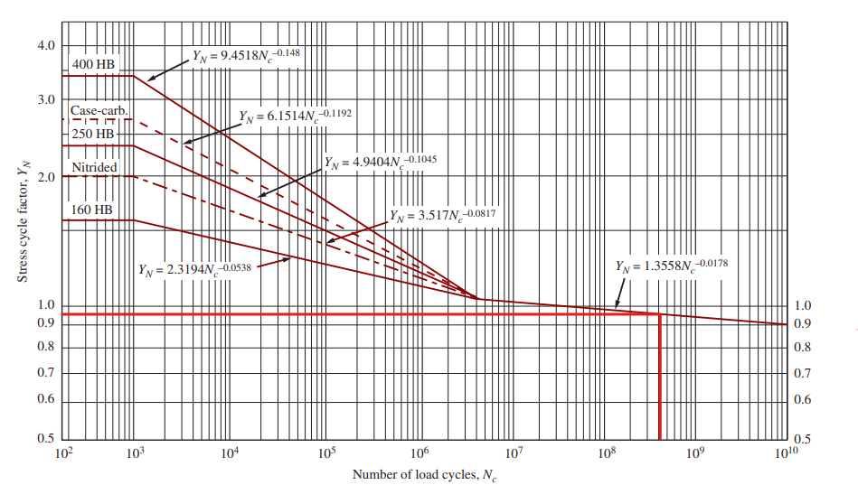
0.96 | Y_n (from figure 9-21)

Calculate SF:

5.7289531138 | SF

Therefore, the gears will very reliable at 99% reliability and have a SF of 5.7.

Part e)
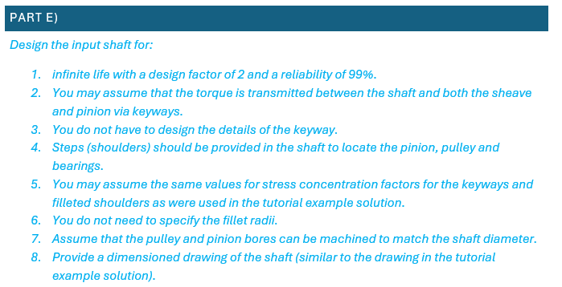
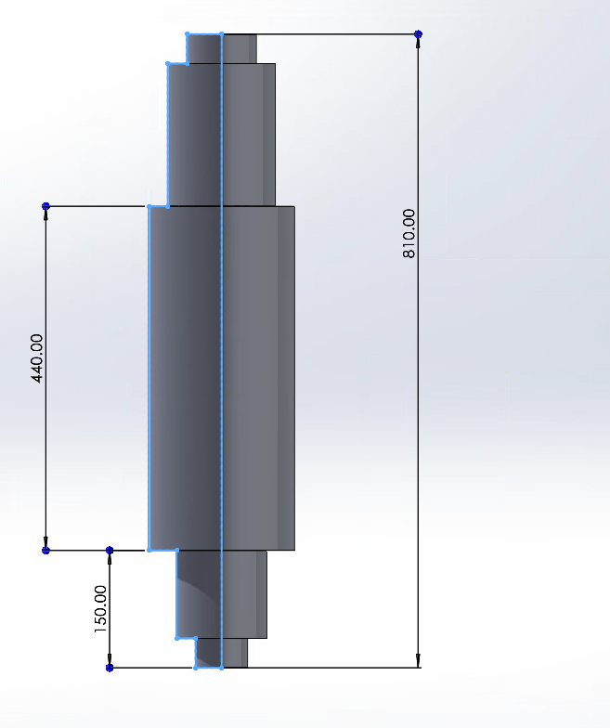

Infinite life
2 | Design factor
0.99 | Reliability

Shaft Design Procedure:
1. Determine the rotational speed of the shaft.
--> | 532.00 | RPM
--> | 55.710909724 | rad/s
...
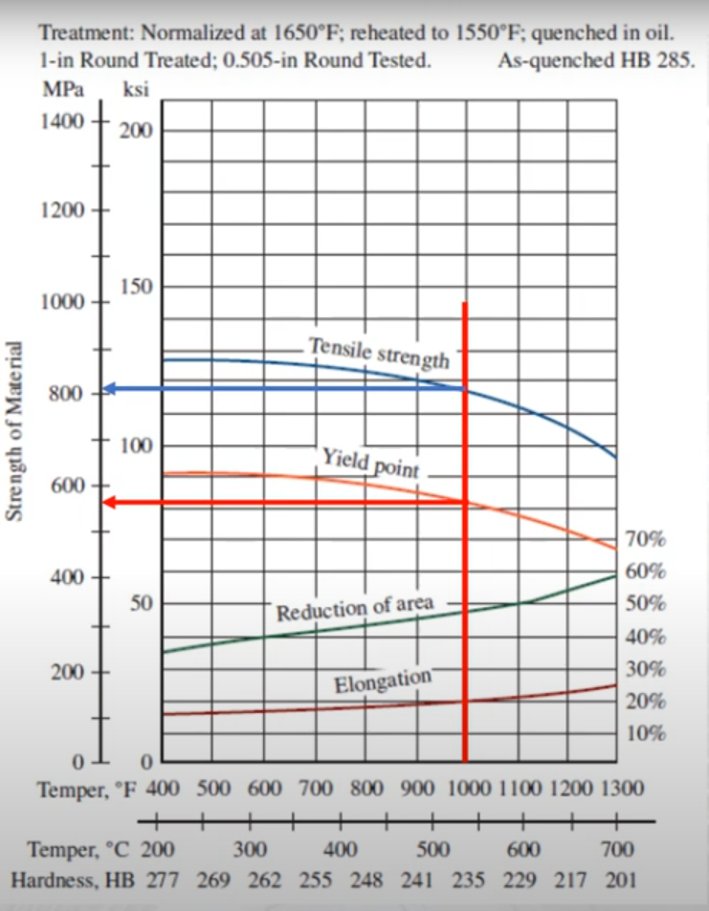
...
Step 1: Estimate the properties of the steel for the shaft
Fig. 5-11:
289.59 | S_n (Mpa)

S'_n:

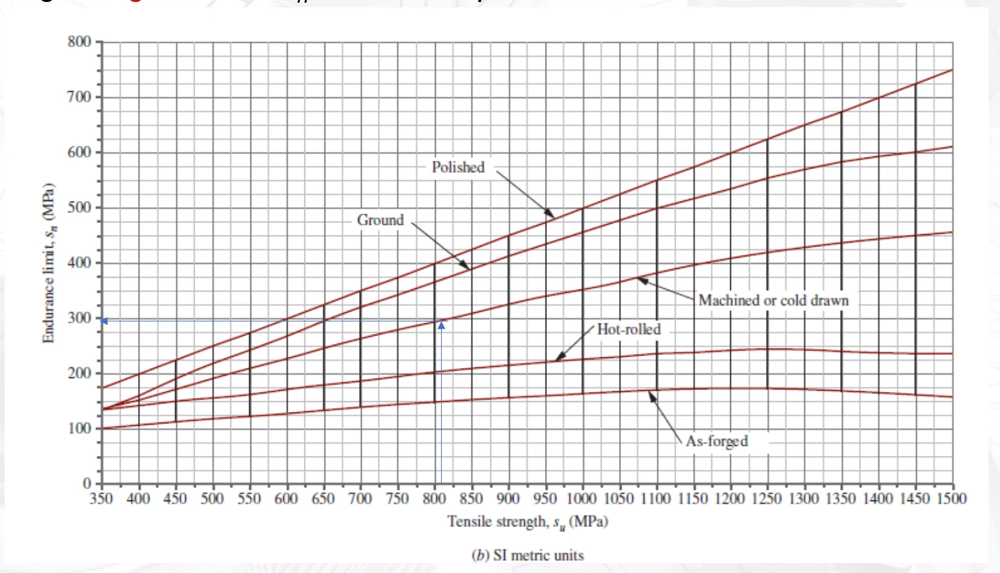
1 | C_m
1 | C_st
0.81 | C_R
0.75 | C_s
175.925925 | S'_n (Mpa)

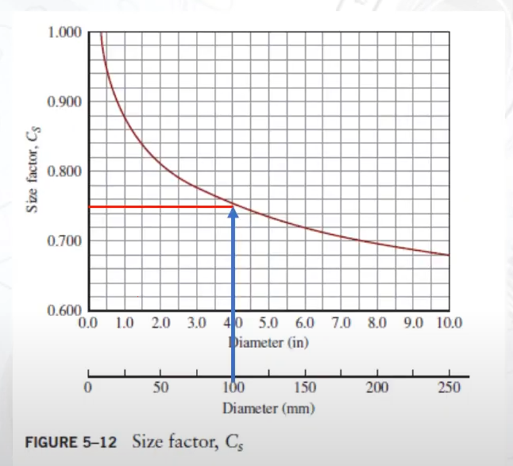
...
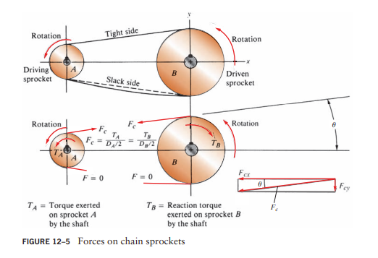
 |  |  |  |  | 630.68083715
 |  |  |  |  | correct
...
 |  |  |  | N
...
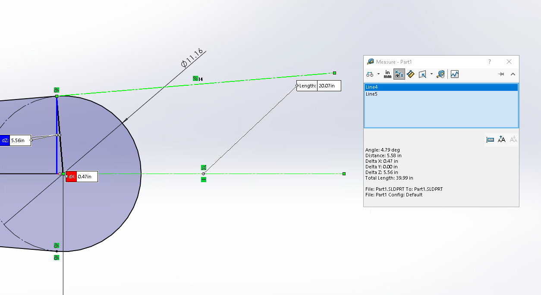
...
 |  |  |  | N
 |  |  |  | N
...
 |  |  |  | N

0.3490658504 | phi (rad)
846.53345867 | W_r (lbf) | <--- | 3765.3808242 | N

Calculate input shaft loading:

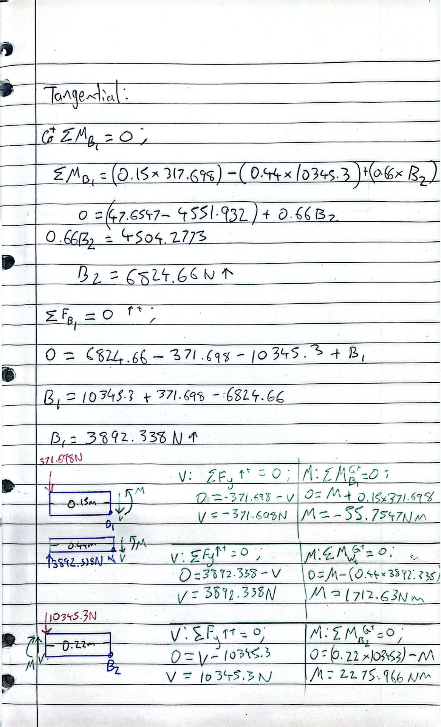

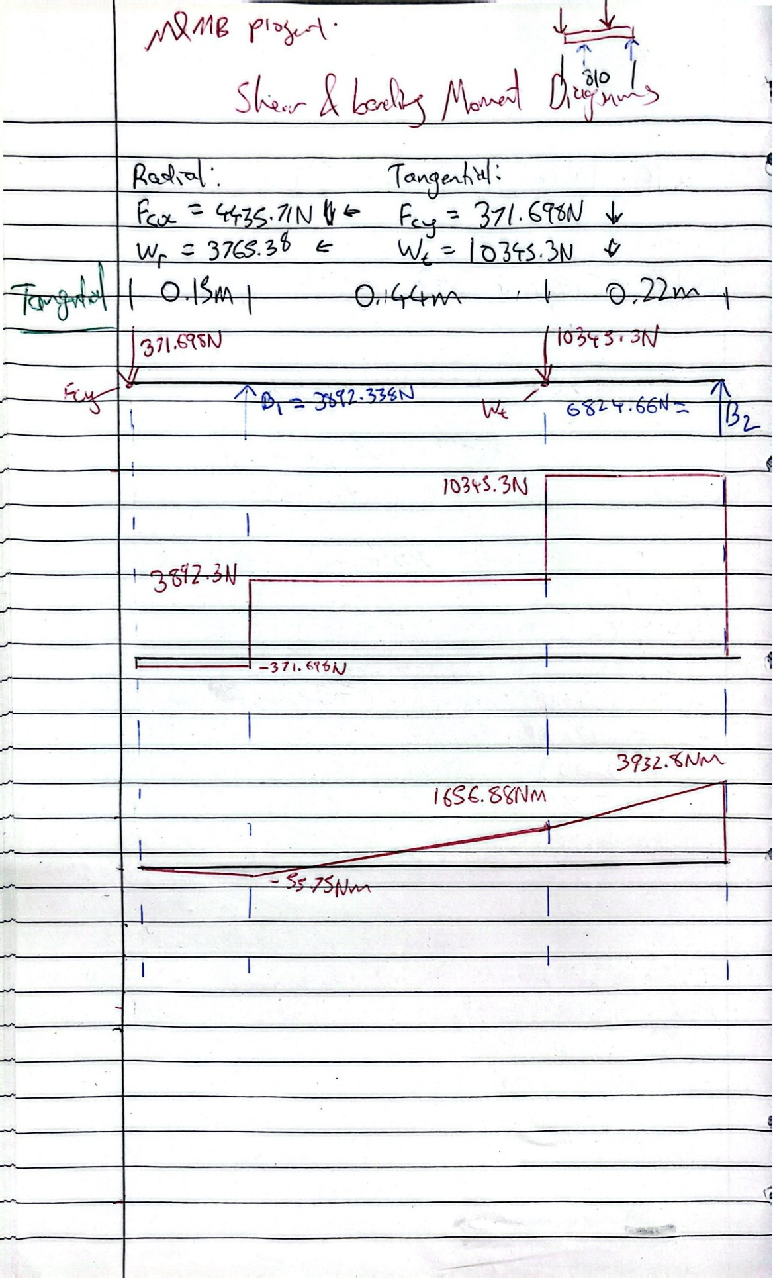

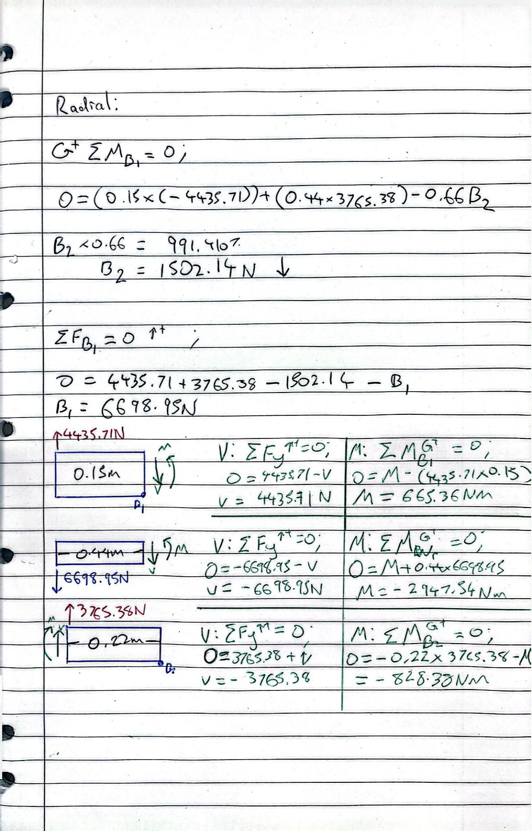

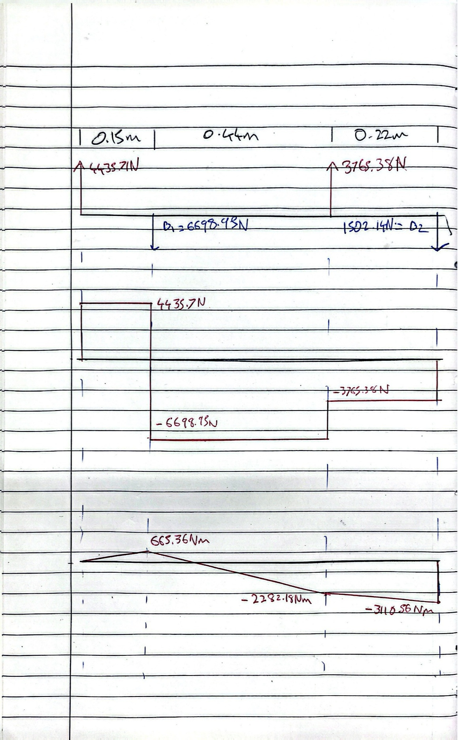

Step 4: Use te design equation to determine the minimum required diameter for various points
Four points along the shaft:
F_c | Point at which Chain force is applied
B_1 | Bearing 1 reactions
W | Where gear loads are applied
B_2 | Bearing 2 reactions

Step 4a: Use the design equation at point F_c
The large sprocket produces a torsion in the shaft from point F_c onwards (to the right)
F_c is the end of the shaft
Moment at F_c is 0 as it is the free end of the shaft
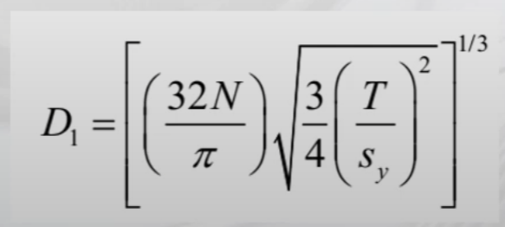

2 | N (design factor, given)
630.93566726 | T (Nm)
572.28 | S_y (Mpa) | --> convert to Pa |  | 572280000

20.371832716 | =((32*A417)/PI())
9.1162092363E-13 | =(3/4)*((A418/E419)^2)
9.5478841825E-07 | =SQRT(A422)

0.026893402258 | =((A421*A423)^(1/3)) |  |  | ---> D_1 (m)
...
Step 4b: Use design equation at Point B_1
"You do not need to specify the fillet radii."

1.5 | K_t (same as tutorial example solution)
630.93566726 | T (Nm)

M_(B_1) = sqrt(((M_(B_1x)^2)+((M_(B_1y)^2)) |  |  |  | --->

665.36 | M_(B_1x) (Nm), from radial bending moment diagram
-55.75 | M_(B_1y) (Nm), from tangential bending moment diagram
667.69153963 | M_(B_1), (Nm)
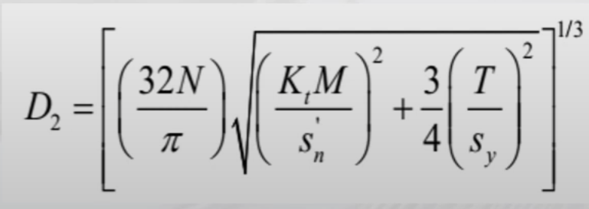

20.371832716 | --->

3.2409667711E-11 | --->
...
-3765.38 | V_(B_2x) (N), from radial bending moment diagram
11009.237877 | V_(B_2), (N)

2.5 | K_t
2 | N
175.925925 | S'_n (Mpa)

30.329997437 | D_6 (mm) --->

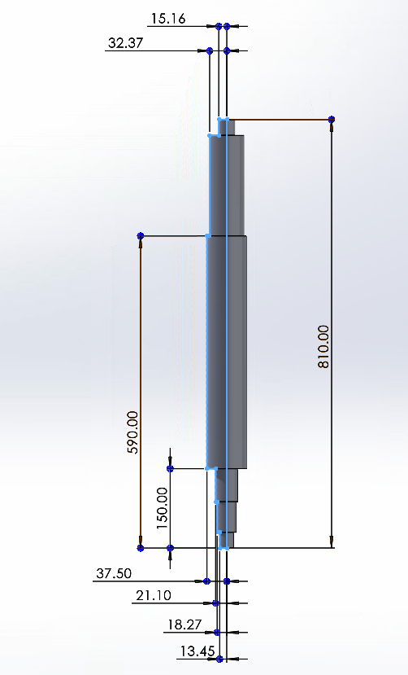

Part f)
...
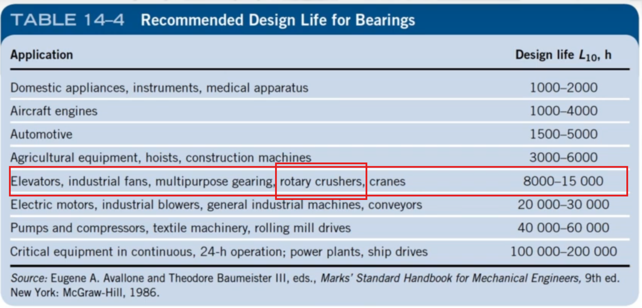
...
Step 3: Rec. design life:
5 | working hours a day
5 | working days a week
10 | years design life
L = 5*5*52*10
13000 | L (design life hours)

90% | Reliability
0.9 | C_r (reliability factor)

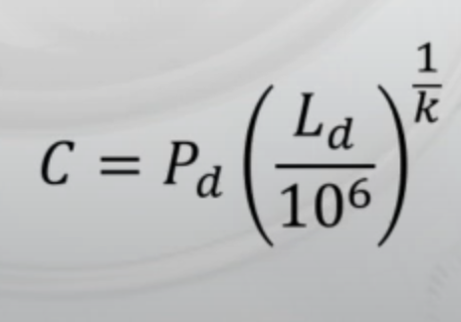
L_d = L * n_2 * 60min/h
4.15E+08 | L_d

57788.220546 | C_1 (N)
52122.209602 | C_2 (N)
57.79 | C_1 (kN)
52.12 | C_2 (kN)

Smallest-bore bearing considering C:
50 | for B_1
45 | for B_2

However it is best to use the same bearing for both for the sake of purchasing and maintenance. In which case, this is:
6310 | Bearing number
50 | Bore (mm)
61.8 | Dynamic C, (kN)
110 | O.D. (mm)
27 | width (mm)
...

Part g)
...
Note: There are clearance issues with gear 3 and the output shaft. This can easily be fixed by selecting one of the other gear pairs of a larger diameter for gear 4 and 5. Refer to Part d).

